Sheet1
Lab 9: Post-Lab Values |  |  |  | Q-Point Measurements
Beta | 205 | Vbe (V) | 0.68 | vc0 | 3.1603
Calculated value for R1 (Ω) | 101185 | Standard value for R1 (Ω) | 82000 | ve0 | 1.4464
Calculated value for R2 (Ω) | 28840 | Standard value for R2 (Ω) | 24000
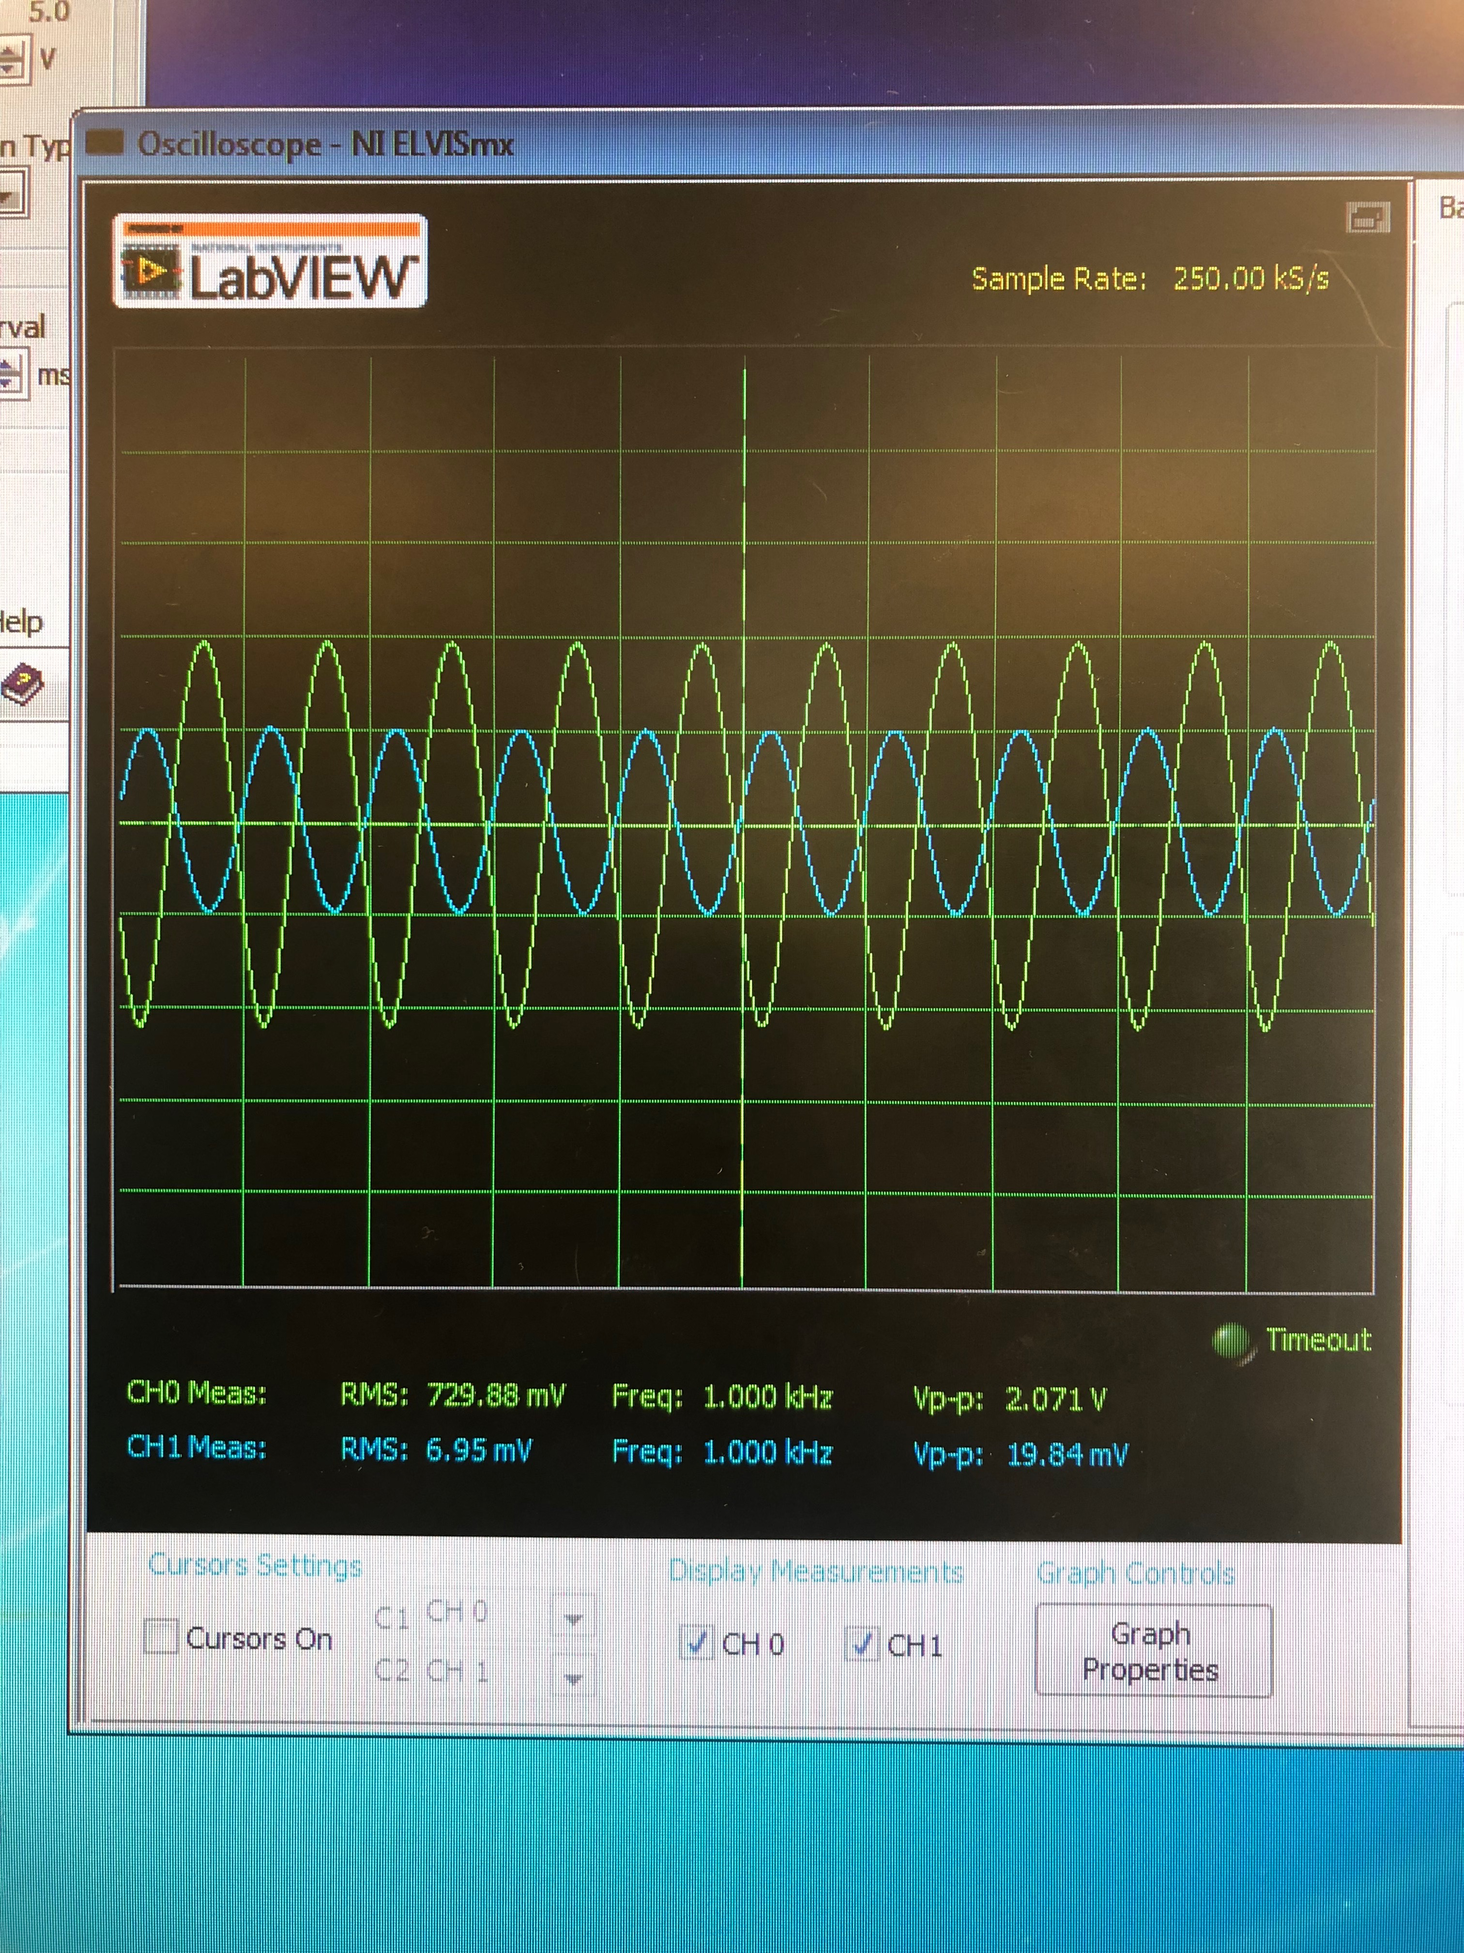
Calculated value for RE (Ω) | 1095 | Standard value for RE (Ω) | 1000
Calculated Vceq (V) | 3 | Measured/Experimental Vceq (V) | 1.7139
Calculated Icq (mA) | 1.277 | Measured/Experimental Icq (mA) | 1.455

Decade Box Original Choice for R1 (Ω) | 100000 | Final Standard value for R1 (Ω) | 82000
Calculated Vceq (V) | 3 | Final Measured Vceq (V) | 1.7139
Calculated Icq (mA) | 1.277 | Final Measured Icq (mA) | 1.455

 |  | Q-point values of Vceq and Icq as 3.1 V and 1.31 mA, respectively, were also measured, but for R1 and R2 standard values of 100 kΩ and 24 kΩ, respectively.
Measured Value of Vo-pp (Vpp) | 2.031
Voltage Gain, Av = Vo/Vs | 101.55

